Standard 3- Results
Standard Three: Student- and Stakeholder-Focused Results - Criterion 3.8
Use this format to respond to Criterion 3.8. If you are submitting a self-study for reaffirmation, this is the same table used in your QA report.
Student- and stakeholder-focused results examine how well your organization satisfies business students and stakeholders key needs and expectations.
Performance measures may include: satisfaction and dissatisfaction of current and past students and key stakeholders, perceived value, loyalty, persistence, or other aspects of relationship building, end of course surveys, alumni surveys, Internship feedback, etc.

Measurement instrument or processes may include end of course surveys, alumni surveys, Internship feedback, etc.

Each academic unit must demonstrate linkages to business practitioners and organizations, which are current and significant, including an advisory board.

Periodic surveys should be made of graduates, transfer institutions, and/or employers of graduates to obtain data on the success of business programs in preparing students to compete successfully for entry-level positions.

Alumni Satisfaction Results
Performance Measure: What is your goal? The goal should be measurable. | What is your measurement instrument or process? (indicate length of cycle) | Current Results: What are your current results? | Analysis of Results: What did you learn from your results? | Action Taken or Improvement made: What did you improve or what is your next step? | Provide a graph or table of resulting trends (3-5 data points preferred) | Data Point 2 (year or semester) | Data Point 3 (year or semester) | Data Point 4 (year or semester) | Data Point 5 (year or semester)
 |  |  |  |  |  | 2011 | 2012 | 2013 | 2014
(Example) Alumni Satisfaction for business programs will be at or above 80% | Annual alumni survey | Three years of positive trend data exceeding goal | Overall satisfaction exceeded the goal, but students requested additional internships & job placement assistance. | Increased the opportunities for internships and assistance with job placement. |  | 77 | 81 | 86 | 92
3- Standard 3-Student and Stakeholder Focus- Graduating Senior Exit Survey. Career preparation satisfaction, how do you feel the School of Business has prepared you for your Career?
Analysis of Results
Performance Measure | What is your Measurement | Current Results | Analysis of Results | Action Taken or Improvement Made | SCHOOL OF BUSINESS UNDERGRADUATE ALUMNI SATISFACTION SURVEY RESULTS GRAPHS

The mean score of the School of Business graduating seniors’ career preparation satisfaction (excellent + good) will be greater than eighty percent (80%). | University Senior Exit Survey by the Office of the Institutional Effectiveness. The survey is given to students prior to graduating from university. | Six semesters exceeding goals. | School of Business graduating seniors were generally satisfied with their preparations for their future careers. Close to eighty five percent (85%) of graduates were satisfied with their career preparations. | In addition of the Senior Exit Survey conducted by the Office of the Institutional Effectiveness, the School of Business continue to conduct its own Senior Exit survey every semester. The trends are monitored for graduating seniors and alumni satisfaction or dissatisfaction on curriculum professional development, career success and other related issues. | 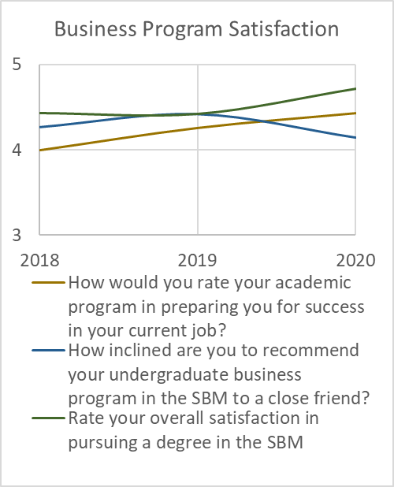 CAREER PREPARATION SATISFACTION HOW DO YOU FEEL THE SCHOOL OF BUSINESS HAS PREPARED YOU FOR YOUR CAREER

Student and Stakeholder Focus- Graduating Seniors (Alumni) Satisfaction, Business Theory Practice/Critical Thinking/Technology, Undergraduate Students
Analysis of Results
Performance Measure | What is your Measurement | Current Results | Analysis of Results | Action Taken or Improvement Made | SCHOOL OF BUSINESS UNDERGRADUATE ALUMNI SATISFACTION SURVEY RESULTS GRAPHS

The mean score of the alumni satisfaction in Business Theory Practice and Technology for undergraduate students will be greater than 3.5 (70%) on a 4-point Likert scale. | School of Business Alumni Satisfaction Survey. | The data revealed that the School of Business alumni’s satisfactions on practical knowledge has been increased since 2018. But the technical satisfaction was lowest on 2020. | School of Business alumni were generally satisfied practical knowledge of what they learned in the School of Business, but some students suggest that the curriculum needs to be more rigor in base. | To improve the students ‘technology ability’, SBM is opening two technology labs of entrepreneurship and finance on 2022 Spring. | 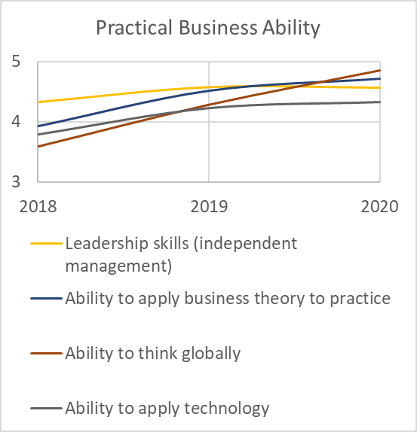 SCHOOL OF BUSINESS ALUMNI KNOWLEDGE SATISFACTION SURVEY GRADUATING SENIORS UNDERGRADUATES SPRING 2018-SPRING 2020

Student and Stakeholder Focus- Graduating Seniors and Alumni Satisfaction Major Concentration Undergraduate Students
Analysis of Results
Performance Measurement | What is your Measurement | Current Results | Analysis of Results | Action Taken or Improvement Made | SCHOOL OF BUSINESS UNDERGRADUATE ALUMNI SATISFACTION SURVEY RESULTS GRAPHS

The mean score of the alumni satisfaction in Business Theory /Critical Thinking for undergraduate students will be greater than 3.5 (70%) on a 4-point Likert scale. | School of Business Alumni Satisfaction Survey. | The data revealed that the School of Business alumni’s satisfactions were above stated criteria for Foundational Business Ability effectiveness, and critical think since 2018. | School of Business alumni were overall satisfied with their knowledge of Writing/Reading/Critical Thinking. The faculty, however, need to continue their emphasis on students’ proficiency on these topics. | To improve the student’s foundational business ability and the faculty included term and research assignments in their courses. All the course is required to give a term paper project through a rubric-based LiveText assessment system. | 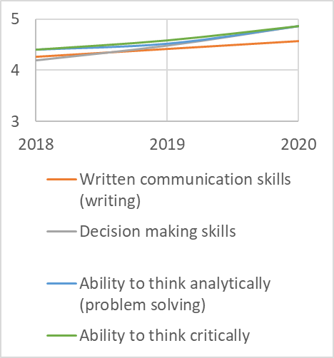 SCHOOL OF BUSINESS ALUMNI KNOWLEDGE SATISFACTION SURVEY GRADUATING SENIORS UNDERGRADUATES SPRING 2018-SPRING 2020 Foundational Business Ability

Student and Stakeholder Focus- Graduating Seniors (Alumni) Overall Program of Study Satisfaction, Undergraduate Student Foundational
 |  | Analysis of Results

Performance Measurement | What is your Measurement | Current Results | Analysis of Results | Action Taken or Improvement Made | SCHOOL OF BUSINESS UNDERGRADUATE ALUMNI SATISFACTION SURVEY RESULTS GRAPHS

 | School of Business Alumni Satisfaction Survey. | The data revealed that the School of Business graduating seniors alumni’s satisfactions were above stated criteria for undergraduate foundational study could be more rigor in the instructional factor | School of Business alumni were overall satisfied with their knowledge of Writing/Reading/Critical Thinking. The faculty, however, need to continue their emphasis on students’ proficiency on these topics. | To improve the student’s overall satisfaction with the program the faculty need to be more involved with students educational goals | SCHOOL OF BUSINESS ALUMNI KNOWLEDGE SATISFACTION SURVEY GRADUATING SENIORS UNDERGRADUATES SPRING 2018-SPRING 2020 Overall Satisfaction

 | Rate your overall satisfaction in pursuing a degree in the SBM
 | 5
 | 5
 | 5
 | 5
 | 3
 | 5
 | 5
 | 4
 | 5
 | 5
 | 5
 | 5
 | 5
 | 4
 | 4
 | 4
 | 5
 | 5
 | 5
 | 4
 | 5
 | 4
 | 4
 | 5
 | 4
 | 3
 | 5
 | 3
 | 4
 | 4
 | 5
 | 4
 | 5
 | 5
 | 5
 | 4
 | 3
 | 5
 | 4
 | 5
 | 0
 | 5
 | 5
 | 5
 | 5
 | 3
 | 5
 | 5
 | 5
 | 4
...

Student and Stakeholder Focus- Graduating Seniors (Alumni) Do you support introducing a MBA program now?
Analysis of Results
Performance Measurement | What is your Measurement | Current Results | Analysis of Results | Action Taken or Improvement Made | SCHOOL OF BUSINESS MBA program SURVEY RESULTS GRAPHS

 | Do you support introducing a MBA program now?
 | 5
 | 5
 | 5
 | 5
 | 3
 | 4
 | 5
 | 4
 | 5
 | 5
 | 3
 | 5
 | 5
 | 4
 | 5
 | 5
 | 5
 | 5
 | 5
 | 4
 | 5
 | 4
 | 5
 | 5
 | 0
 | 5
 | 5
 | 5
 | 5
 | 5
 | 5
 | 5
 | 5
 | 5
 | 5
 | 5
 | 5
 | 5
 | 4
 | 5
 | 4
 | 5
 | 5
 | 5
 | 5
 | 5
 | 5
 | 5
 | 5
 | 5
...
The mean score of the alumni satisfaction in Business Theory /Critical Thinking for undergraduate students will be greater than 3.5 (70%) on a 4-point Likert scale. | School of Business Alumni Satisfaction Survey. | Students are happy that the university is starting a MBA program | School of Business alumni were overall satisfied starting a MBA | The Business Unit will look to expand analysis of this performance measure to include types of employment (in field of study) and length of time to find employment to ensure our graduates are meeting employer expectations.

Student and Stakeholder Focus- Graduating Seniors (Alumni) Ability to Apply Technology?
Analysis of Results
Performance Measurement | What is your Measurement | Current Results | Analysis of Results | Action Taken or Improvement Made | SCHOOL OF BUSINESS MBA PROGRAM SURVEY RESULTS GRAPHS

 | Ability to apply technology
1 | 5
3 | 5
5 | 3
7 | 5
9 | 4
11 | 4
13 | 5
15 | 3
17 | 5
19 | 4
21 | 5
23 | 5
25 | 3
27 | 5
29 | 5
31 | 5
33
35 | 5
37 | 2
39 | 4
41 | 2
43 | 5
45 | 5
47 | 4
49 | 4
51 | 1
53 | 3
The mean score of the alumni satisfaction in Business Theory /Critical Thinking for undergraduate students will be greater than 3.5 (70%) on a 4-point Likert scale. | School of Business Alumni Satisfaction Survey. | The data revealed that graduating seniors within the School of Business and Management are satisfied with their ability to apply technology. | School of Business and Management's alumni were overall satisfied with their level of abilty to apply technology. | The Business Unit will look to expand analysis of this performance measure to include various dimensions of the student experience including types of employment (in field of study) and length of time to find employment to ensure our graduates are meeting employer expectations.

Student and Stakeholder Focus- Graduating Seniors (Alumni) Has Your Education Helped You to Perform Well On Your First Job?
Analysis of Results
Performance Measurement | What is your Measurement | Current Results | Analysis of Results | Action Taken or Improvement Made | SCHOOL OF BUSINESS MBA PROGRAM SURVEY RESULTS GRAPHS

 | Has your education helped you perform well on your first job
1 | 5
3 | 5
5 | 3
7 | 5
9 | 4
11 | 5
13 | 1
15 | 4
17 | 5
19
21 | 5
23 | 5
25 | 3
27 | 5
29 | 5
31
33 | 4
35 | 5
37 | 0
39 | 4
41 | 1
43 | 5
45 | 3
47 | 5
49 | 5
51 | 5
53 | 3
The mean score of the alumni satisfaction in Business Theory /Critical Thinking for undergraduate students will be greater than 3.5 (70%) on a 4-point Likert scale. | School of Business Alumni Satisfaction Survey. | The data revealed that graduating seniors within the School of Business and Management are satisfied with their level of education that helped them to perform well on their first job. | School of Business and Management's alumni were overall satisfied with their level of education that has helped them to perform well on their first job. | The Business Unit will look to expand analysis of this performance measure to include various dimensions of the student experience including types of employment (in field of study) and length of time to find employment to ensure our graduates are meeting employer expectations.

